Administrative Costs Instr.
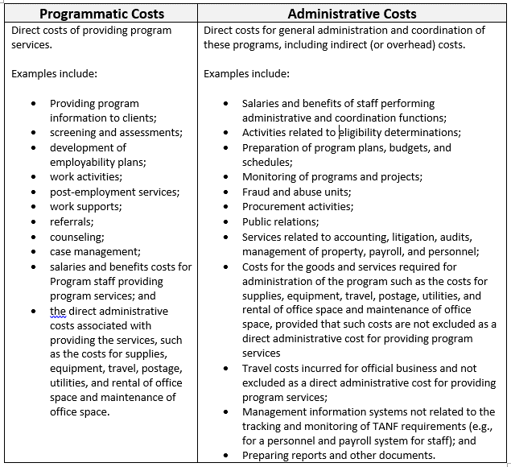
TANF rules for Administrative Costs vs. Programmatic Costs | Yes
For each line item completed in the Budget, please indicate whether the cost meet the following definition for administative costs.

